ISS reports summary
Cumulative cases w/ symptom onset or diagnosis/swab date and cumulative reported cases. Source: ISS.
 | cumulative incidence of cases w/ symptom onset date | cumulative incidence of cases w/ diagnosis/swab date | cumulative reported cases
2020-03-09 | 4555 | 7812 | 8342
2020-03-10
2020-03-11
2020-03-12 | 8331 | 13323 | 13882
2020-03-13
2020-03-14
2020-03-15
2020-03-16 | 13601 | 24346 | 25028
2020-03-17 | 16181 | 27224 | 28293
2020-03-18 | 17389 | 30722 | 31772
2020-03-19 | 18966 | 34927 | 35731
2020-03-20 | 21157 | 39981 | 42220
2020-03-21 | 22993 | 46584 | 48452
2020-03-22 | 28330 | 50246 | 52796
2020-03-23 | 29603 | 55059 | 57989
2020-03-24 | 31959 | 59203 | 62844
2020-03-25 | 34371 | 64130 | 67814
2020-03-26 | 37403 | 70418 | 73780
2020-03-27 | 44204 | 76714 | 79968
2020-03-28 | 46704 | 82510 | 85308
2020-03-29 | 48525 | 87038 | 89967
2020-03-30 | 53084 | 90972 | 94312
2020-03-31 | 55280 | 95077 | 98716
2020-04-01 | 57951 | 98500 | 102669
2020-04-02 | 60313 | 101994 | 106399
2020-04-03 | 63084 | 107342 | 112401
2020-04-04 | 65145 | 111692 | 117050
2020-04-05 | 70012 | 116363 | 120290
2020-04-06 | 71354 | 120570 | 124527
2020-04-07 | 73040 | 123801 | 127790
2020-04-08 | 75897 | 127642 | 131751
2020-04-09 | 77927 | 131995 | 136110
2020-04-10 | 77878 | 133700 | 139377
2020-04-11 | 81792 | 139347 | 143199
2020-04-12 | 82648 | 142425 | 146321
2020-04-13 | 83817 | 146233 | 150189
2020-04-14
2020-04-15 | 86392 | 151212 | 155467
2020-04-16 | 87954 | 155133 | 159107
2020-04-17 | 90191 | 157904 | 162004
2020-04-18
2020-04-19
2020-04-20 | 93188 | 165282 | 169325
2020-04-21
2020-04-22 | 95815 | 169779 | 173730
2020-04-23 | 97568 | 173325 | 177143
2020-04-24 | 109766 | 179451 | 183269
2020-04-25
2020-04-26
2020-04-27 | 118063 | 193301 | 197096
...
date | time | cumulative incidence of cases w/ symptom onset date | cumulative incidence of cases w/ diagnosis/swab date | cumulative reported cases | cumulative reported deaths
2020-03-09 | 16:00:00 | 4555 | 7812 | 8342 | 357
2020-03-10 | 16:00:00
2020-03-11 | 16:00:00
2020-03-12 | 16:00:00 | 8331 | 13323 | 13882 | 803
2020-03-13 | 16:00:00
2020-03-14 | 16:00:00
2020-03-15 | 16:00:00
2020-03-16 | 16:00:00 | 13601 | 24346 | 25028 | 1647
2020-03-17 | 16:00:00 | 16181 | 27224 | 28293 | 2003
2020-03-18 | 16:00:00 | 17389 | 30722 | 31772 | 2390
2020-03-19 | 16:00:00 | 18966 | 34927 | 35731 | 3047
2020-03-20 | 16:00:00 | 21157 | 39981 | 42220 | 3200
2020-03-21 | 16:00:00 | 22993 | 46584 | 48452 | 3770
2020-03-22 | 16:00:00 | 28330 | 50246 | 52796 | 4465
2020-03-23 | 16:00:00 | 29603 | 55059 | 57989 | 5019
2020-03-24 | 16:00:00 | 31959 | 59203 | 62844 | 5542
2020-03-25 | 16:00:00 | 34371 | 64130 | 67814 | 6157
2020-03-26 | 16:00:00 | 37403 | 70418 | 73780 | 6801
2020-03-27 | 16:00:00 | 44204 | 76714 | 79968 | 7590
2020-03-28 | 16:00:00 | 46704 | 82510 | 85308 | 8460
2020-03-29 | 17:00:00 | 48525 | 87038 | 89967 | 9220
2020-03-30 | 18:00:00 | 53084 | 90972 | 94312 | 10026
2020-03-31 | 19:00:00 | 55280 | 95077 | 98716 | 10943
2020-04-01 | 16:00:00 | 57951 | 98500 | 102669 | 11857
cumulative reported deaths. Source: ISS.
 | cumulative reported deaths
2020-03-09 | 357
2020-03-10
2020-03-11
2020-03-12 | 803
2020-03-13
2020-03-14
2020-03-15
2020-03-16 | 1647
2020-03-17 | 2003
2020-03-18 | 2390
2020-03-19 | 3047
2020-03-20 | 3200
2020-03-21 | 3770
2020-03-22 | 4465
2020-03-23 | 5019
2020-03-24 | 5542
2020-03-25 | 6157
2020-03-26 | 6801
2020-03-27 | 7590
2020-03-28 | 8460
2020-03-29 | 9220
2020-03-30 | 10026
2020-03-31 | 10943
2020-04-01 | 11857
2020-04-02 | 12550
2020-04-03 | 13241
2020-04-04 | 13828
2020-04-05 | 14381
2020-04-06 | 14860
2020-04-07 | 15751
2020-04-08 | 16162
2020-04-09 | 16654
2020-04-10 | 17364
2020-04-11 | 17916
2020-04-12 | 18366
2020-04-13 | 18641
2020-04-14
2020-04-15 | 19508
2020-04-16 | 19996
2020-04-17 | 20531
2020-04-18
2020-04-19
2020-04-20 | 21551
2020-04-21
2020-04-22 | 22586
2020-04-23 | 23188
2020-04-24 | 23576
2020-04-25
2020-04-26
2020-04-27 | 24780
...
2020-04-02 | 16:00:00 | 60313 | 101994 | 106399 | 12550
2020-04-03 | 16:00:00 | 63084 | 107342 | 112401 | 13241
2020-04-04 | 16:00:00 | 65145 | 111692 | 117050 | 13828
2020-04-05 | 16:00:00 | 70012 | 116363 | 120290 | 14381
2020-04-06 | 16:00:00 | 71354 | 120570 | 124527 | 14860
2020-04-07 | 16:00:00 | 73040 | 123801 | 127790 | 15751
2020-04-08 | 16:00:00 | 75897 | 127642 | 131751 | 16162
2020-04-09 | 16:00:00 | 77927 | 131995 | 136110 | 16654
2020-04-10 | 16:00:00 | 77878 | 133700 | 139377 | 17364
2020-04-11 | 16:00:00 | 81792 | 139347 | 143199 | 17916
2020-04-12 | 16:00:00 | 82648 | 142425 | 146321 | 18366
2020-04-13 | 16:00:00 | 83817 | 146233 | 150189 | 18641
2020-04-14 | 16:00:00
2020-04-15 | 16:00:00 | 86392 | 151212 | 155467 | 19508
2020-04-16 | 16:00:00 | 87954 | 155133 | 159107 | 19996
2020-04-17 | 16:00:00 | 90191 | 157904 | 162004 | 20531
2020-04-18 | 16:00:00
2020-04-19 | 16:00:00
2020-04-20 | 16:00:00 | 93188 | 165282 | 169325 | 21551
2020-04-21 | 16:00:00
2020-04-22 | 16:00:00 | 95815 | 169779 | 173730 | 22586
2020-04-23 | 16:00:00 | 97568 | 173325 | 177143 | 23188
2020-04-24 | 16:00:00 | 109766 | 179451 | 183269 | 23576
2020-04-25 | 16:00:00
2020-04-26 | 16:00:00
2020-04-27 | 16:00:00 | 118063 | 193301 | 197096 | 24780
2020-04-28 | 16:00:00 | 125629 | 195715 | 199470 | 25215
2020-04-29 | 16:00:00
2020-04-30 | 16:00:00 |  |  | 203545 | 25855
2020-05-01 | 16:00:00 | 125955 | 201077 | 204576 | 26049
2020-05-02 | 16:00:00
2020-05-03 | 16:00:00
2020-05-04 | 16:00:00 | 123955 | 205891 | 209254 | 26892
2020-05-05 | 16:00:00
...

Italy cases by diagnosis 8jun
mifi provisional | (mi-μ)2fi | WebPlotDigitazer digitization software (https://apps.automeris.io/wpd/) has been used to digitize from pdf graph. The points were extracted manually. The fixed value error bar refers to bar extraction algorithm. Actual errors related to the manual process may differ. |  |  | Image size (px) h x v | 2100 | x | 1587 | val. min | -1099.1 | val. max | 6639.3 | ∆x= | 10 | px | ∆val= | 1 | px
 |  |  |  |  |  |  | val / px | 4.8761184625 |  |  |  | Estimated Manual Extraction Error (EMEE) = |  |  |  | err. bar= | 5 | val x point
 |  | Sample size of the source | 233784 | Data source: | https://www.epicentro.iss.it/en/coronavirus/bollettino/Infografica_3giugno%20ENG.pdf |  |  |  |  |  |  | Estimated Axis Calibration Error (EACE) = |  |  |  | '' | '' | ''
Incidence of cases by diagnosis/swab date from 24-jan to 8-jun 2020. Source: ISS*. (*manual extraction from source graph)
 | rounded # of cases by diagnosis date (frequency fi) | rounded # of cases by diagnosis date (frequency fi) - provisional
2020-01-25
2020-01-26
2020-01-27
2020-01-28
2020-01-29 | 7
2020-01-30
2020-01-31
2020-02-01
2020-02-02
2020-02-03
2020-02-04
2020-02-05
2020-02-06
2020-02-07
2020-02-08
2020-02-09
2020-02-10
2020-02-11
2020-02-12
2020-02-13
2020-02-14
2020-02-15
2020-02-16
2020-02-17
2020-02-18
2020-02-19
2020-02-20 | 7
2020-02-21 | 36
2020-02-22 | 55
2020-02-23 | 75
2020-02-24 | 90
2020-02-25 | 197
2020-02-26 | 280
2020-02-27 | 290
2020-02-28 | 358
2020-02-29 | 373
2020-03-01 | 407
2020-03-02 | 636
2020-03-03 | 812
2020-03-04 | 1081
2020-03-05 | 1310
2020-03-06 | 1554
2020-03-07 | 1413
2020-03-08 | 1476
2020-03-09 | 2233
2020-03-10 | 2462
2020-03-11 | 2770
2020-03-12 | 3151
2020-03-13 | 4132
2020-03-14 | 3566
...
https://www.epicentro.iss.it/en/coronavirus/bollettino/Infografica_8giugno%20ENG.pdf
 |  | Sample size of the extracted ds | 233979 | 195
 |  | Blue area sample size | 229658 | excess-->
 |  | Grey area sample size | 4321
 |  |  | Day of the year | DD-Mmm
 |  | Mean of extracted sample* | 95 | 2020-04-04
 |  | Mean of blue area sample | 94 | 2020-04-03
 |  | SD of blue area sample | 18
 |  | (*the standard error of the sample mean (SEM) is negligible)
 |  | Mode of blue area sample | 80 | 2020-03-20
 |  | Median of blue area sample** | 91 | 2020-03-31
 |  | (**approx. ± 1 day)
...
 | 29575
...
Accumulative # of cases by diagnosis/swab date from 24-jan to 8-jun 2020. Source: ISS*. (*manual extraction from source graph)
 | Accumulative # of cases (rounded) | Accumulative # of cases (rounded) - provisional
2020-01-25
2020-01-26
2020-01-27
2020-01-28
2020-01-29 | 7
2020-01-30 | 7
2020-01-31 | 7
2020-02-01 | 7
2020-02-02 | 7
2020-02-03 | 7
2020-02-04 | 7
2020-02-05 | 7
2020-02-06 | 7
2020-02-07 | 7
2020-02-08 | 7
2020-02-09 | 7
2020-02-10 | 7
2020-02-11 | 7
2020-02-12 | 7
2020-02-13 | 7
2020-02-14 | 7
2020-02-15 | 7
2020-02-16 | 7
2020-02-17 | 7
2020-02-18 | 7
2020-02-19 | 7
2020-02-20 | 14
2020-02-21 | 50
2020-02-22 | 105
2020-02-23 | 180
2020-02-24 | 270
2020-02-25 | 467
2020-02-26 | 747
2020-02-27 | 1037
2020-02-28 | 1395
2020-02-29 | 1768
2020-03-01 | 2175
2020-03-02 | 2811
2020-03-03 | 3623
2020-03-04 | 4704
2020-03-05 | 6014
2020-03-06 | 7568
2020-03-07 | 8981
2020-03-08 | 10457
2020-03-09 | 12690
2020-03-10 | 15152
2020-03-11 | 17922
2020-03-12 | 21073
2020-03-13 | 25205
2020-03-14 | 28771
...
https://www.epicentro.iss.it/en/coronavirus/bollettino/Infografica_8giugno%20ENG.pdf
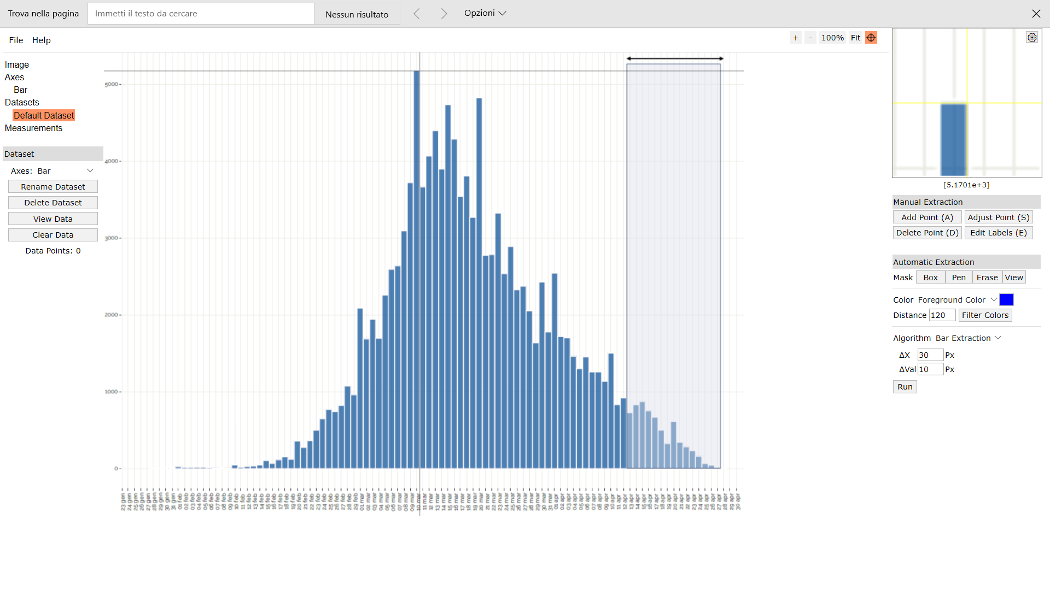
Digitizer example page
...
 | 12943
 | 63504
 | 92455
 | 120000
 | 136890
 | 284468
 | 383320
 | 375840
 | 438550
 | 431188
 | 443223
 | 651264
 | 780332
 | 972900
 | 1101710
 | 1218336
 | 1030077
 | 997776
 | 1395625
 | 1418112
 | 1465330
 | 1525084
 | 1822212 |  |  |  |  |  |  |  |  |  |  |  |  |  |  |  | Author: Ankit Rohatgi Title: WebPlotDigitizer Website: https://automeris.io/WebPlotDigitizer Version: 4.2 Date: April, 2019 E-Mail: ankitrohatgi@hotmail.com Location: San Francisco, California, USA
 | 1426400
 | 1033543
 | 1560384
 | 1537191
 | 1455360
 | 1273500
 | 1217552
 | 827086
 | 566208
 | 733986
 | 587500
 | 465183
 | 359168
 | 280721
 | 162288
 | 73775
 | 81344
...

